Products View & ImpExp & Search
Select | REF | Image Ref | CATEGORY | SUB-CATEGORY | Product Image | Product Name | Quantity | Display Unit Size | Factory Name | Carton L (cm) | Carton W (cm) | Carton H (cm) | Units per Carton | Carton GW (kg) | Currency | Unit Cost Price in Currency | Unit Packaging/ Case Price in Currency | Total Cost Price in Currency | Product Desc | Certification | Production Lead Time (day) | Product L (cm) | Product W (cm) | Product H (cm) | Packaging L (cm) | Packaging W (cm) | Packaging H (cm)
x | 1 | 1 | Bathing Accessories | SOAP | 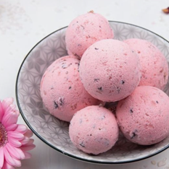 | Single Bath Bomb With Dried Flowers In Blister Packaging (100g) | 3000 | 10.5X6X15cm | Bath Concept Cosmetics（Dongguan） Co.,Ltd | 52 | 50 | 33 | 80 | 11.5 | USD | 0.77 | 0.15 | 0.92
x | 2 | 2 | Bathing Accessories | SOAP | 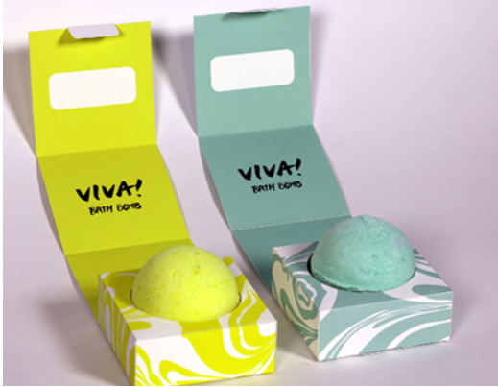 | 100g sigle color with dry flower bath bombs in box | 3000 | 6.5X6.5X6.5cm | Bath Concept Cosmetics（Dongguan） Co.,Ltd | 34.5 | 34.5 | 28 | 100 | 11.5 | USD | 0.74 | 0.15 | 0.89
x | 5 |  | Bathing Accessories | TOWEL | 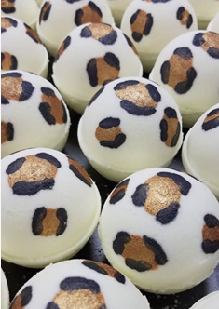 | 100g leopard print bath bombs in box | 3000 | 6.5X6.5X6.5cm | Bath Concept Cosmetics（Dongguan） Co.,Ltd | 34.5 | 34.5 | 28 | 100 | 11.5 | USD | 1.03 | 0.15 | 1.18
x | 6 |  | Bathing Accessories | TOWEL |  | 3X100g leopard print bath bombsin a gift box | 2000 | 18X6X7cm | Bath Concept Cosmetics（Dongguan） Co.,Ltd | 38 | 26 | 23 | 24 | 13 | USD | 2.8 | 0.15 | 2.95

 |  |  |  |  |  | SEND TO IC TEMPLATE |  | Create New Project
 |  |  |  |  |  |  |  | Select Existing Project | CS-635 - Bathing Access

 |  |  |  | 1st Phase = database system with above features | Please provide price and time per phase including bug fixes
 |  |  |  | 2nd - Push selected records to IC sheet template
 |  |  |  | 3rd - create quote

